Sheet1
Bill Summary for the project Bank Al Habib Center Point |  |  |  |  | MOBILIZATION ADVANCE |  | RETENTION AMOUNT
Contract Amount |  |  |  | 44,652,803 | Contract Amount | 44,652,803 | DEDUCTION IN IPC 1 | 1,639,518
Mobilizatin adv |  |  |  | 6,500,000

 | IPC-01 | IPC-02 | IPC-03 |  | Mod Ad received | 6,500,000
RUNNING BILL NO 1 | 35,449,032 | 6,268,508 |  | 41,717,540 |  |  | TOTAL RECEIVABLE | 1,639,518
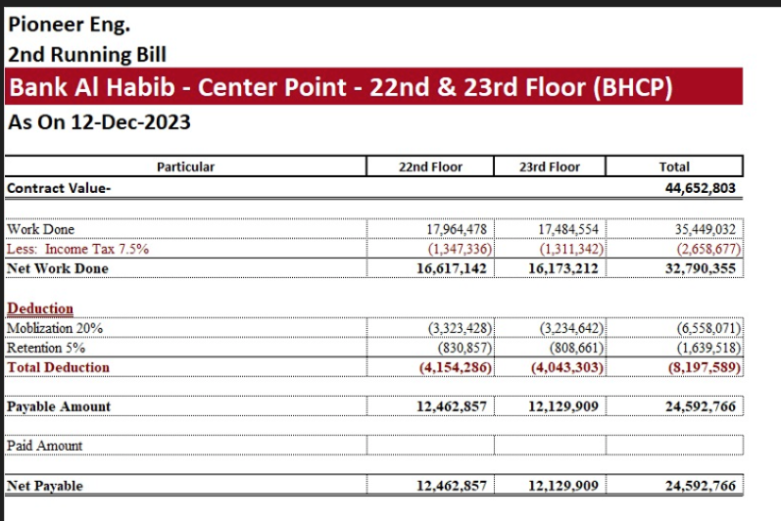
Less Tax |  | 8% |  | 3,128,816 | DEDUCTION
 |  |  |  |  | DEDUCTION IN IPC 1 | 6,558,071
Balance Payable |  |  |  | 38,588,725

Less Mobilization 20% |  | 20% |  | 7,717,745
Less Retention 5% |  | 5% |  | 1,929,436 | TOTAL | 6,558,071
Payable Amount |  |  |  | 28,941,543 | Extra deduct | (58,071)

Al ready received |  |  |  | 24,592,766

Net Payable |  |  |  | 4,348,777

